MAIN




PASTE RAW DATA HERE |  |  |  |  |  |  |  |  |  |  | DATE (m-dd) | TITLE

First_Name | Last_Name | Hometown | State | Country | Grad_Year | Rnd_1 | Rnd_2 | Rnd_3 | Rnd_4 | Status
 |  |  |  |  |  |  |  |  |  |  | AGE GROUPS (COMMA SEPARATED)

READ_ME
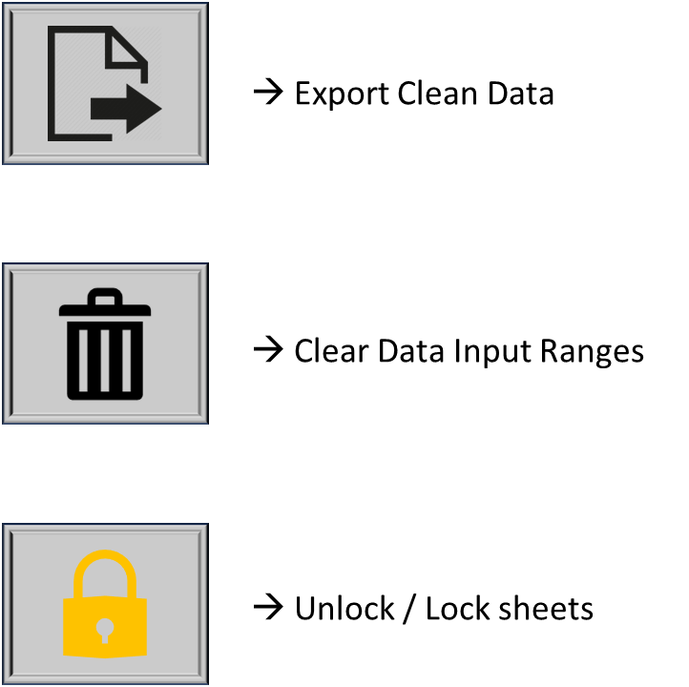
Workbook Created By Patrick Cataldo, 2023 Summer Intern at JGS
Limitations and expectations:
This Workbook is designed to take messy data from excel files emailed to staff and clean it so it can be uploaded to the JGS Admin site.
This Workbook is designed to only do one tournament at a time.
This Workbook cannot be edited in cells other than input cells located in the MAIN sheet, all other sheets are password protected.
This Workbook cannot "magically" transform the data into something its not, data must already be organized based on the column names.
This Workbook WILL NOT do your job for you, it will only save minutes at a time, maybe more depending on the size and quality of spreadsheet.

STEPS:
1. Gather requisite information (Date of tournament, tournament name, and age groups), usually located within the spreadsheet, email, or tournament info on the admin site.
2. Input requisite information into the relevant cells titled DATE, TITLE, AGE GROUPS (COMMA SEPARATED), with correct format!
3. Paste tournament info into the PASTE RAW DATA HERE section (columns have been labled accordingly)
3a. Tournament info should be pasted by AGE GROUP. Each age group table should be separated by 1 row of blank cells.
3b. Match the age group tables with the order of the age groups entered in the AGE GROUPS (COMMA SEPARATED) cell. Failure will result in INACCURATE DATA!
3c. And check to make sure that the correct data is in the correct column!
4. Click the ExportCleanData button. (Visual aid below)
5. DONE! Check the folder that has been listed as your destination for csv files to see your clean file, ready for upload! :)

Thanks for using this workbook, best of luck!

